General
Matters

Selection Parameters

Matter ID |  |  | Matter Name |  |  | Client ID

Case category |  |  | Timekeeper |  |  | Status | All

Case Open date From |  |  | Case Open date To
FILTER
Search | Filter by a keyword
 | Matter ID | Matter description | Client Name | Client Info Sheet No | Case category | Case opened date | Status | Actions
 | 10001 -01 | Gabriela Cerda - I130 | Gabriela Cerda | 4000001 | IMM-FAM2 | 08-18-2021 | Filed and Pending
 | 10023-01 | Isabel Salazar- NIV | Isabel Salazar | 4000001 | IMM-NIV | 08-24-2021 | Filed and Pending
1.Edit
2. Display
3. Intake
 | 10025 - 01 | Aldi Arias Lopez - EB | Aldi Arias Lopez | 4000001 | IMM-EB | 2021-07-09 | Open
 | 10043 - 01 | Gloria Gonzalez Balderas - REM | Gloria Gonzalez Balderas | 4000001 | IMM-REM | 09-18-2021 | Open
 | 10049 - 01 | Sanchez Vazquez - I130 | Sanchez Vazquez | 4000001 | IMM-FAM1 | 09-27-2021 | Open

General
Notes
E-Mails
Documents
Accounting
Rates
Fee Sharing
Tasks
Time Tickets
Expenses

Matter (10001-01) - General

Opened on
08-18-2021
Filed on
08-29-2021
Receipt Notice
09-02-2021
RFE
09-20-2021

General

Matter description | AP-Editable |  | Case Category | AP-Editable |  | Case Sub Category | AP-Editable

Client Information sheet | AP-Non Editable |  | Intake Form No | AP-Non Editable

Client Details

Client ID | AP-Editable |  | Client Name | AP-Non Editable |  | Cell Phone | AP-Non Editable

E-Mail | AP-Non Editable |  | Alternate E-Mail | AP-Non Editable |  | Address | AP-Non Editable

Direct telephone | AP-Non Editable |  | Work Phone | AP-Non Editable |  | Home Phone | AP-Non Editable

Dates

Opened date | AP-Non Editable |  | Filed Date | AP-Non Editable |  | Closed date | AP-Non Editable

Time Keepers

Partner | AP-Non Editable |  | Originating Attorney | AP-Non Editable |  | Responsible Attorney | AP-Non Editable

Legal assistant | AP-Non Editable

Immigration updates

Priority date | AP-Editable |  | Receipt Notice No | AP-Editable |  | Receipt Date | AP-Editable

Approval Date | AP-Editable |  | Expiration date | AP-Editable |  | Court date | AP-Editable

ADMIN

Created by | AP_Non editable |  | Created on | AP_Non editable |  | Updated by | AP_Non editable

Updated on | AP_Non editable

 |  | Cancel |  | Save

Notes
Matter (10001-01) - Notes

NEW
FILTER
Search |  |  |  |  |  |  | Note No

Note Number | Type | Description | Created by | Created date | Status | Actions | Type
100001 | General | Sent welcome letters | CLD | 11-30-2021 | Active
100002 | General | Meeting schduled on 12-22-2021 | CLD | 2021-02-12 | Active |  | Date From and To
100003 | General | Court schedule order sent | CLD | 2021-05-12 | Active
100006 | General | Meeting schduled on 12-29-2021 | CLD | 2021-07-12 | Active |  | Status
1.Edit
2. Display
100005 | General | Bio graphical Questionnaires verfied | CLD | 2021-08-12 | Active

Matter - 10001-01 - Notes

Note type | Dropdown |  | Case No | AP-NON Editable

Notes
 | Input

 | Cancel |  | Save

E Mails
Matter (10001-01) - E mails

NEW
FILTER
Search |  |  |  |  |  |  | Mail type

Mail type | From | To | CC | Subject | Body | E Mail Date/Time | From
Outgoing | CRodriguez@montyramirezlaw.com | carlos091971@yahoo.com |  | 10001-04 | Test | 01-07-2022 '10:35:42 AM
Incoming | carlos091971@yahoo.com | CRodriguez@montyramirezlaw.com |  | 10001-02 | Test | 01-09-2022 '04:23:22 PM | To
Incoming | carlos091971@yahoo.com | CRodriguez@montyramirezlaw.com |  | 10001-01 | Test4 | 01-13-2022 '12:20:40 PM
Incoming | carlos091971@yahoo.com | CRodriguez@montyramirezlaw.com |  | 10001-02 | Test 5 | 01-07-2022 '10:35:42 AM | Date
Outgoing | CRodriguez@montyramirezlaw.com | carlos091971@yahoo.com |  | 10001-03 | Test | 01-09-2022 '04:23:22 PM

Matter (10001-01) - New E Mail

 | From | AP-Editable |  | To | AP-Editable

 | CC | Input |  | Subject | Input

 | Body
 |  | Input

 |  |  | Cancel |  | Send

Documents
Matter (10001-01) - Documents

NEW
FILTER
Search |  |  |  |  |  |  |  | Document No
Document No | Description | File Name | Version | Sent by | Sent on | Received on | Status
D002 | Welcome Letter | Z:/users/docs/10001/Welcome Letter | 1 | Claudia | 11-24-2021 10:30 AM |  | Sent | Sent By
D001 | Questionnaire | Z:/users/docs/10001/Agreement copy | 2 | Claudia | 11-25-2021 10:30 AM |  | Sent
D004 | Test1 | Z:/users/docs/10001/Test1 | 1 | Claudia | 11-29-2021 10:30 AM |  | Sent | Sent date
D011 | Test2 | Z:/users/docs/10001/Test2 | 1 | Adelis |  | 15-03-2021 '04:00 PM | Received
D019 | Test3 | Z:/users/docs/10001/Test3 | 1 | Claudia | 12-17-2021 '04:00 PM |  | Sent | Received date

 |  |  |  |  |  |  |  | Status

 |  |  |  |  |  |  |  | Case No

Matter (10001-01) - Documents New

Case No | AP/Non Editable |  | Matter | AP/Non editable

Document No | Dropdown |  | Document File | AP/Non edittable

Document Name | AP/Non editable |  | Mail Merge | AP/Non editable

 | Cancel |  | Save

Document - DOC_NO

Download
Send to Client Portal
Cancel

Rates
Matter - (10001-01) - Rates

FILTER
NEW
 | Time Keeper Code | Name | Rate | Status
 | AP-Editable | AP-Non Editable | AP-Editable | AP-Non Editable

Fee Sharing
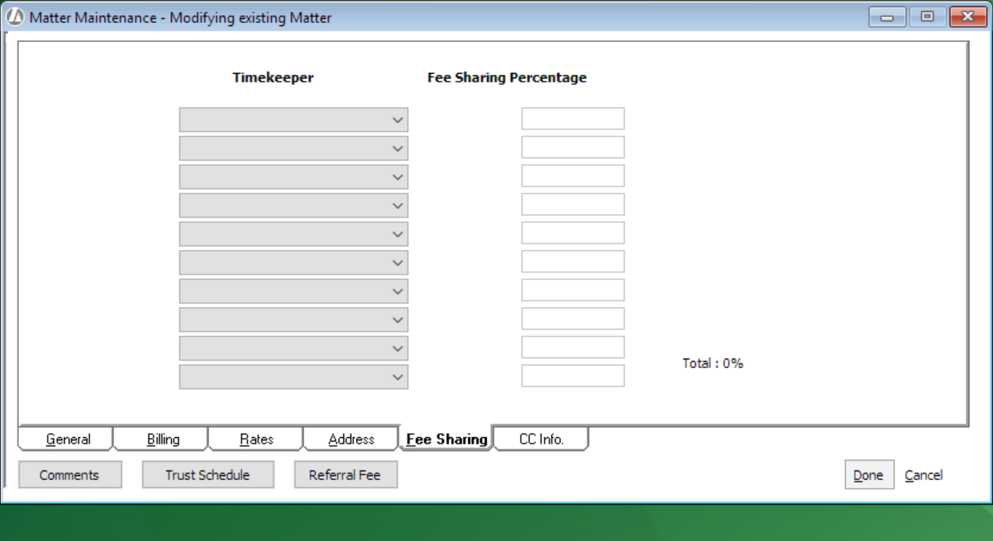

Expenses
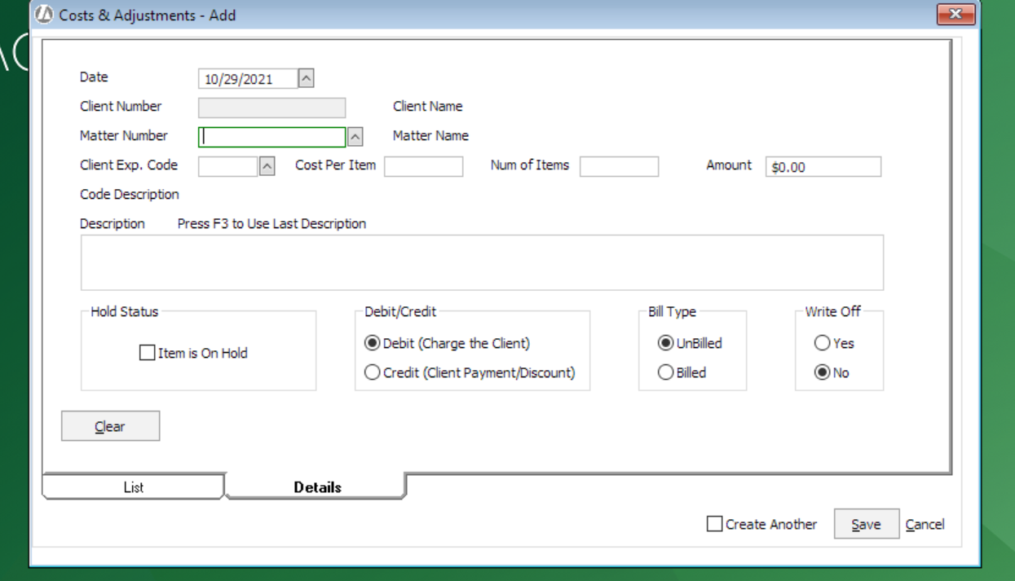
Matter - (10001-01) - Expenses

FILTER
NEW
 | Expense code | Expense type | Description | Amount | Status | Actions
 | AP-Non Editable | AP-Non Editable | AP-Non Editable | AP-Non Editable | AP-Non Editable

1.Edit
2. Display

